Refineries
 | 
 |  |  |  |  | Market size estimation for new technology

 | Problem: You are an R&D company, that is planning to commercialize a new technology for oil refineries to help them meet a new EPA NOx emission requirements that will come into effect 1 year from now. However, you only want to develop this technology further if there are at least 55 refineries in the US that could benefit from your technology. Recently, a competing technology was brought in the market (technology X) that also helps refineries meet these emissions and quite a few refineries are already using this technology (before start of EPA requirements), but it is a lot more expensive. You are convinced that a refinery that used technology X is as likely to buy your new technology (if you develop it) as a refinery that doesn't use any technology yet. The total market size for your new technology (Y) is therefore any refinery that currently doesn't meet EPA requirements plus any refinery that used technology X. What is the probability that this total market is more than 55 refineries?

 |  | What you know is that:
Input |  | There are exactly | 132 | refineries in the US (the EPA published this data online)

 |  | You have managed to contact | 12 | oil refineries of which |  | 4 | don't meet new EPA requirements and of which |  | 3 | have installed technology X.
 |  | Technology X needs to be replaced regularly (e.g. a filter), at an average rate of |  |  |  |  | 1.2 | per year per refinery
 |  | We know that the company selling technology X had annual revenue last year of between |  |  |  |  |  | $10,500,000 | and | $11,000,000 | from technology X.
 |  | We know that technology X costs between |  |  |  |  | $300,000 | and | $310,000 | per replacement (e.g. filter).

Model |  | Priors: Refineries that don't meet EPA emmisions |  |  |  |  | 60 | of which | 31 | use technology X
 |  | Observation: Number in survey not meeting new requirements |  |  |  |  | 5 |  | 5
 |  | Observation: Number in survey not meeting new requirements and using Technology X |  |  |  |  | 3 |  | 3
We use the Poisson distribution here, because the filters are replaced at an average rate of 1.2 per year per refinery.
 |  | Number of replaced filters |  |  |  |  | 37
 |  | Cost of technology |  |  |  |  | $305,000
 |  | Total revenue for X technology |  |  |  |  | $11,285,000

Outcome |  | Number of refineries that don't meet EPA regulation: |  |  |  |  | 999

 |  | Answer: Given the data we have there is only a 18.7% probably there are more than 55 refineries.
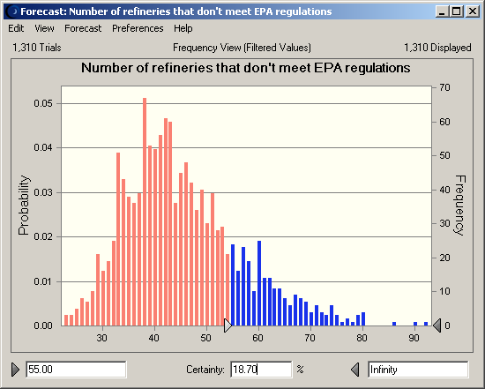
The model replicates the system and remember only the values of cell H21 if the survey results and the total sales produced by the model match the known values. This technique is called "simulation of a bayesian inference with the accept/reject method" (M0411) and needs a lot of iterations.

